Question 5
Question:
Draw a histogram of age excluding the outlier. Describe the shape of the histogram.

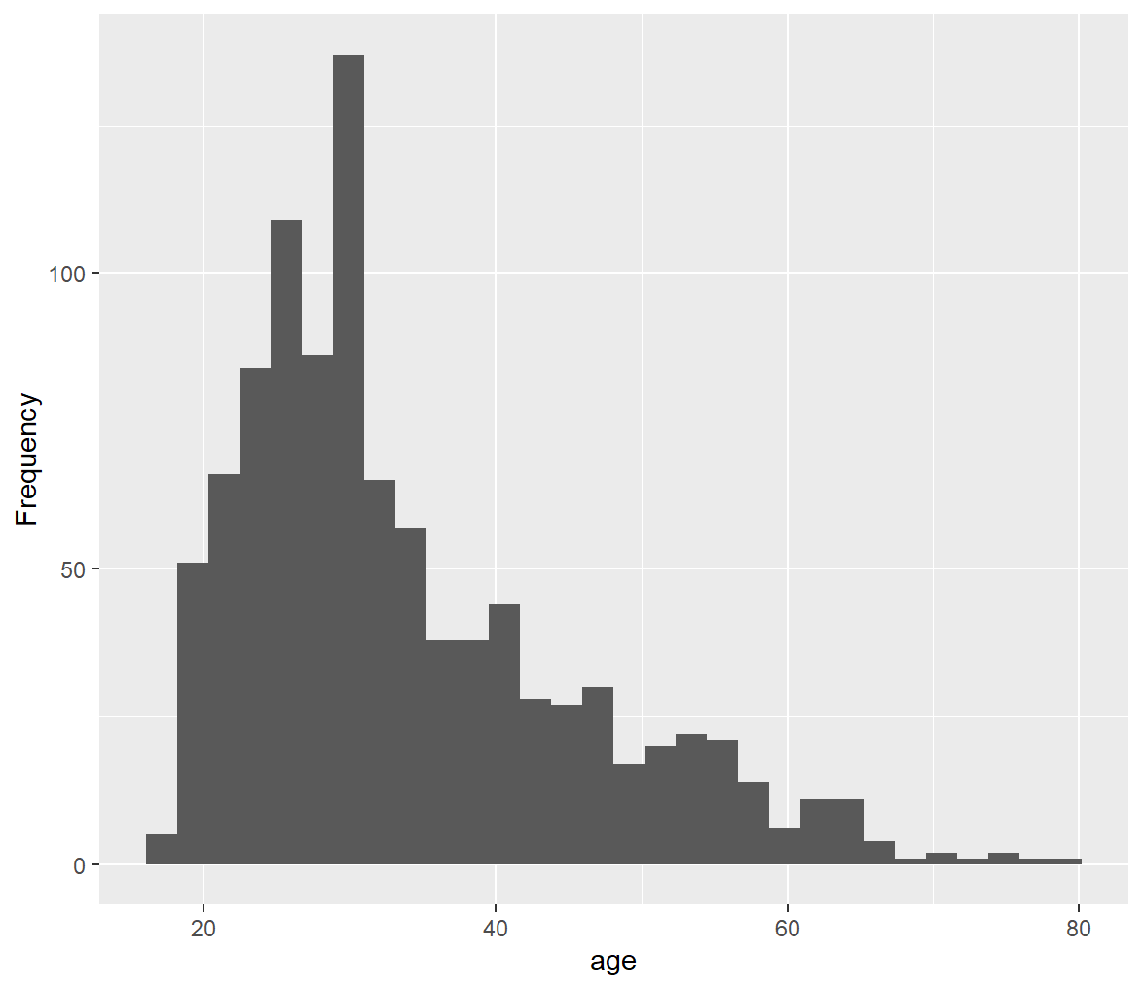
We have made the following histogram through a R code: | R Code:
 | library(ggplot2)
 | library(dplyr)
 | filtered_data <- SRS_Cred_card %>% filter(age < 100)
 | ggplot(filtered_data, aes(x = age)) + geom_histogram() + labs(x="age", y="Frequency")

 | Shape:
 | The shape of the histogram is bell-shaped and it is skewed towards the right.
 | The shape of the histogram obtained using the SRS Data is indentical to the one obtained using original data.

